Ansatz 1
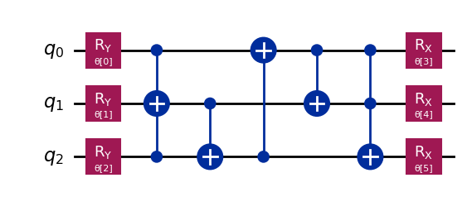
Batch Size | Weights | Accuracy | Epochs | Date | qnn_cnotlist = [ [0,2,1],[1,2], [2,0],[0, 1],[0,1,2] ]
100 | [13.01666499 4.84090541 11.84698492 1.6180807 -1.78370087 -3.35954685] | 0.5565 | 1 | 2026-06-21
200 | [6.2710895 5.13523723 6.96526207 3.02347124 1.46380547 1.52886706] | 0.6005 | 1 | 2026-06-21
300 | [6.2688291 5.13147786 6.96765808 3.02548707 1.46269773 1.53047066] | 0.601 | 1 | 2026-06-21
400 | [5.94981217 4.99995318 6.89210097 3.00762894 1.3768936 1.53447414] | 0.6185 | 1 | 2026-06-21
500 | [ 6.23740809 9.3705314 4.5959864 3.15161698 -0.29135157 0.31587222] | 0.683 | 1 | 2026-06-21
600 | [ 6.68051998 9.58129059 4.74818666 2.93515451 -0.36224799 0.55252749] | 0.681 | 1 | 2026-06-21
700 | [ 6.381146 9.42573344 4.72462789 3.07342073 -0.35563031 0.42852553] | 0.696 | 1 | 2026-06-21
800 | [3.21788021 9.39791767 4.33489339 3.32740225 0.08196119 0.45712975] | 0.672 | 1 | 2026-06-21
900 | [3.2180632 9.39835109 4.33411381 3.32724292 0.0815662 0.45702764] | 0.672 | 1 | 2026-06-21
1000 | [1.60860577 5.90834007 6.43847897 3.13721595 0.83939961 1.73486228] | 0.6025 | 1 | 2026-06-21
650 | [3.00628847 3.15432998 4.9485119 3.47150325 0.64141536 0.15220963] | 0.642 | 5 | 2026-06-21

Ansatz 2
Batch Size | Weights | Accuracy | Epocs | Date
100 | [ 2.35814112 3.72909937 4.82462467 3.16814564 3.61493908 -2.6869376 ] | 0.671 | 1 | 2026-06-22 | qnn_cnot_list = [[0], [0,1,2], [2,1],[1,0]]
200 | [2.48890498 3.18078239 5.10076867 3.25149716 0.50568863 0.30664817] | 0.642 | 1 | 2026-06-22
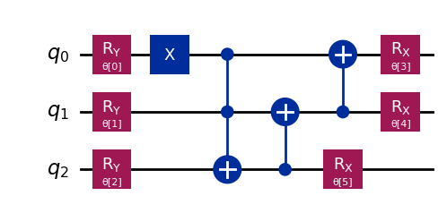
300 | [2.49131158 3.18630182 5.0896909 3.24895262 0.51190608 0.30567002] | 0.6415 | 1 | 2026-06-22
400 | [2.70956689 3.28883981 4.99752154 3.39024802 0.49863449 0.35028418] | 0.6805 | 1 | 2026-06-22
500 | [2.80603347 3.15415495 4.94774745 3.42808247 0.5147857 0.24307702] | 0.683 | 1 | 2026-06-22
600 | [2.48424406 3.19387286 5.07536173 3.24812697 0.51889724 0.2990401 ] | 0.6425 | 1 | 2026-06-22
700 | [2.51432358 3.20188038 4.94400747 3.3553017 0.49908853 0.33837483] | 0.6555 | 1 | 2026-06-22
800 | [2.80588474 3.17138625 4.93543093 3.45712318 0.59015906 0.22855714] | 0.6875 | 1 | 2026-06-22
900 | [2.8057307 3.17167117 4.93563378 3.45702767 0.59023683 0.22857668] | 0.6875 | 1 | 2026-06-22
1000 | [2.90173146 3.20939114 4.91849103 3.41999108 0.59916677 0.23337052] | 0.6905 | 1 | 2026-06-22
1100 | [3.12607599 3.207105 4.88525753 3.39831886 0.56593683 0.19482986] | 0.656 | 1 | 2026-06-22
1000 | [3.09943617 3.16119519 4.87028799 3.2558707 0.53620447 0.05853435] | 0.6905 | 5 | 2026-06-24

Ansatz 3
Batch Size | Weights | Accuracy | Epochs | Date | qnn_cnot_list = [ [0,1], [1,2], [2,1,0], [0,1,2]]
100 | [19.24124015 13.29055563 6.34964183 5.4730771 -3.20482449 1.03181804] | 0.5965 | 1 | 2026-06-24
100 | [13.43258438 12.62157722 5.30544459 3.84698844 0.70237461 -0.69190291] | 0.5805 | 1 | 2026-06-24
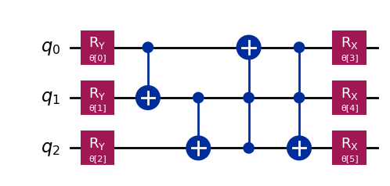
200 | [-2.63795785 6.45399866 4.50974906 2.63454398 -0.01115377 0.14174962] | 0.6465 | 1 | 2026-06-24
300 | [3.59804728 6.39576667 4.4712246 2.62467808 0.01228265 0.13147958] | 0.6525 | 1 | 2026-06-24
400 | [ 3.38857855 6.02578685 4.35302733 2.6282017 -0.00991599 0.09679049] | 0.6965 | 1 | 2026-06-24
500 | [3.24212617 6.13628873 4.37252185 2.66932581 0.03362474 0.10358148] | 0.6785 | 1 | 2026-06-24
600 | [3.57761049 6.39249404 4.45232743 2.61909368 0.01831866 0.13021806] | 0.651 | 1 | 2026-06-24
700 | [ 3.46611879 6.2277411 4.39536472 2.62234104 -0.05058082 0.12641931] | 0.6725 | 1 | 2026-06-24
800 | [ 3.15451039 6.12723492 4.34966236 2.6500647 -0.0456279 0.01253917] | 0.688 | 1 | 2026-06-24
900 | [ 3.15438425 6.12695202 4.34928043 2.64985704 -0.04555892 0.01255656] | 0.688 | 1 | 2026-06-24
1000 | [ 3.09384943e+00 6.11850690e+00 4.36444448e+00 2.64088796e+00 -3.53255474e-02 -6.03910148e-03] | 0.691 | 1 | 2026-06-24

Ansatz 4
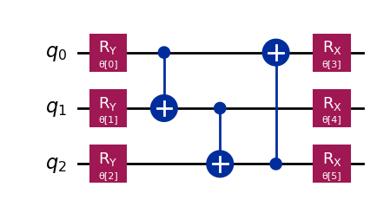
Batch Size | Weights | Accuracy | Epochs | Date | qnn_cnot_list = [[0,1],[1,2],[2,0]]
100 | [19.24124015 13.29055563 6.34964183 5.4730771 -3.20482449 1.03181804] | 0.5965 | 1 | 2026-06-24
200 | [ 4.23869784 6.74837616 3.29623597 3.94970953 -0.03421962 0.9286688 ] | 0.615 | 1 | 2026-06-24
300 | [ 0.33384169 6.33607267 4.01399363 5.2642326 -0.10653273 1.58727756] | 0.5915 | 1 | 2026-06-24
400 | [ 3.43604956 6.19018649 4.03701368 4.11898353 -0.01147159 1.61762166] | 0.6075 | 1 | 2026-06-24
500 | [3.27690475 6.2883565 3.99754689 4.10796573 0.04118601 1.55095362] | 0.603 | 1 | 2026-06-24
600 | [ 4.15788729 6.50179218 3.52106338 4.00824315 -0.11845519 0.9931989 ] | 0.6195 | 1 | 2026-06-24
700 | [ 3.30035483 6.25604524 3.87335084 4.19407761 -0.10550864 1.79514577] | 0.6025 | 1 | 2026-06-24
800 | [ 3.16845094 6.13900308 3.90595557 3.89717615 -0.04435891 1.37472341] | 0.6185 | 1 | 2026-06-24
900 | [ 2.97176088 5.80021566 3.58697358 3.80422379 -0.16922497 1.11959504] | 0.621 | 1 | 2026-06-24
1000 | [ 3.17527473 6.18953421 3.89573244 3.90839154 -0.02916905 1.39469476] | 0.6155 | 1 | 2026-06-24

Ansatz 5
Batch Size | Weights | Accuracy | Epochs | Date | qnn_cnotlist = [ [0,2,1],[1,2], [2,0],[0, 1] ]
100 | [21.13108141 7.53405092 7.77819922 4.17021329 0.47977537 -3.68199831] | 0.686 | 1 | 2026-06-25
200 | [ 0.99766037 3.97210264 4.72465725 3.60562699 -0.30653697 1.15891751] | 0.6365 | 1 | 2026-06-25
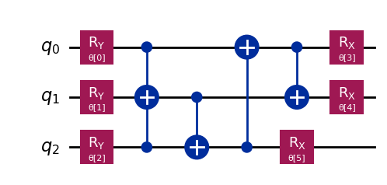
300 | [ 0.57122996 4.82172545 4.76202915 4.23450635 -0.65537911 0.49954461] | 0.6125 | 1 | 2026-06-25
400 | [1.32898242 4.31452219 4.61475386 3.69570945 0.04660039 1.06449158] | 0.6535 | 1 | 2026-06-25
500 | [ 1.22532313 4.36701183 4.56285557 3.7070959 -0.10334274 0.9870052 ] | 0.663 | 1 | 2026-06-25
600 | [ 0.98715439 3.95167187 4.73043977 3.59767777 -0.31908489 1.15343059] | 0.6345 | 1 | 2026-06-25
700 | [1.43422334 4.46289699 4.64562813 3.84518025 0.08190897 1.08091753] | 0.634 | 1 | 2026-06-25
800 | [ 1.35831009 4.34693268 4.45161561 3.6274475 -0.08973818 1.00860953] | 0.671 | 1 | 2026-06-25
900 | [ 1.45030251 4.76556922 5.06589918 4.08598568 -0.04884631 0.52099047] | 0.657 | 1 | 2026-06-25
1000 | [ 1.53545921 4.82187512 5.07439687 4.10262107 -0.02578723 0.50516035] | 0.6555 | 1 | 2026-06-25
800 | [ 1.45856119 4.52660618 4.32418723 3.75375183 -0.08546368 1.06646626] | 0.671 | 5 | 2026-06-25

Ansatz 6
Batch Size | Weights | Accuracy | Epochs | Date
100 | [5.30130975 7.09676257 4.6929188 4.05873686 2.3364946 2.7908295 ] | 0.638 | 1 | 2026-06-25 | qnn_cnot_list = [[1,2], [2,0],[0, 1],]
200 | [1.80355417 4.51699687 4.67792031 4.237265 0.54364211 0.6971558 ] | 0.6615 | 1 | 2026-06-25
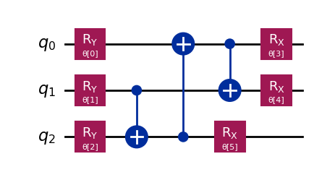
300 | [1.81834615 4.51446779 4.68123597 4.23997185 0.55125694 0.69398609] | 0.66 | 1 | 2026-06-25
400 | [1.5989941 4.50169912 4.70267059 3.96654988 0.40418793 0.81626675] | 0.6805 | 1 | 2026-06-25
500 | [1.44912703 4.64850639 4.68916572 3.90690296 0.31663814 0.8048743 ] | 0.6795 | 1 | 2026-06-25
600 | [1.71156824 4.62635457 4.71812524 4.14175271 0.50587663 0.80807854] | 0.6675 | 1 | 2026-06-26
700 | [1.76210726 4.62546714 4.71718098 4.12575098 0.41599913 0.82021369] | 0.663 | 1 | 2026-06-26
800 | [1.56736601 4.57735161 4.72752306 3.87714633 0.43799214 0.72894343] | 0.6825 | 1 | 2026-06-26
900 | [1.56775478 4.5766333 4.72817356 3.87669566 0.43785798 0.72918533] | 0.6825 | 1 | 2026-06-26
1000 | [1.56191747 4.60515969 4.70417744 3.8679271 0.45469809 0.73092696] | 0.6835 | 1 | 2026-06-26
1100 | [ 4.88589578 4.62768957 4.71495184 2.16649328 0.41030989 -0.82674265] | 0.6615
1200 | [ 1.57370634 4.71894275 4.70760585 2.41167962 0.43734421 -0.73097023] | 0.683
1300 | [ 4.95031621 4.51634889 4.6980377 2.04491034 0.54687708 -0.69305399] | 0.662
1400 | [ 4.70357831 4.60496675 4.70166675 2.41549254 0.45424972 -0.73160598] | 0.6835

Ansatz 7
Batch Size | Weights | Accuracy | Epochs | Date | qnn_cnot_list = [[0,2,1],[1,2], [2,1,0],[0, 1],[1,2]]
100 | [21.70430034 5.42162724 9.86876111 2.2054185 -0.88141909 -4.90454765] | 0.5465 | 1 | 2026-06-26
200 | [ 4.2045319 5.09496549 6.08250344 0.47683679 1.39048451 -0.94071242] | 0.6075 | 1 | 2026-06-26
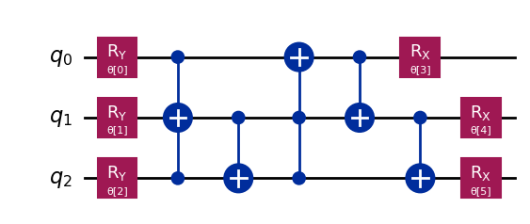
300 | [ 4.19955259 5.09306936 6.08079535 0.48284826 1.39800635 -0.93833073] | 0.6085 | 1 | 2026-06-26
400 | [ 3.61195983 5.6381229 3.16581092 3.19351204 -1.53948338 1.21358238] | 0.666 | 1 | 2026-06-26
500 | [3.91981126 5.33663296 6.21784276 2.97703296 1.62895464 1.39529211] | 0.636 | 1 | 2026-06-26
600 | [ 4.19600432 5.08853695 6.08296013 0.4720031 1.39533112 -0.94100546] | 0.6075 | 1 | 2026-06-26
700 | [ 3.66010029 5.6226945 3.09430124 3.25383721 1.64949942 -1.9153936 ] | 0.6575 | 1 | 2026-06-26
800 | [ 2.67121752 5.91266954 3.69369619 2.60558195 -1.07548831 0.66898018] | 0.6075 | 1 | 2026-06-26
900 | [ 3.61582429 5.52610579 3.18165757 3.01577031 -1.66646549 1.11735261] | 0.6555 | 1 | 2026-06-26
1000 | [ 2.54917573 5.9408244 3.71871672 2.40425074 -1.01052673 0.6018926 ] | 0.5985 | 1 | 2026-06-26
400 | [ 3.71112705 5.50651268 3.18659181 2.95210124 -1.76691557 1.14449389] | 0.6655 | 5
 | `

Ansatz 8
Batch Size | Weights | Accuracy | Epochs | Date
100 | [23.22034035 16.78588125 8.45527752 2.93847062 0.68454492 3.77739611] | 0.5465 | 1 | 2026-06-29 | qnn_cnot_list = [[0,2,1], [1,2], [2,1,0],[0, 1],[0,1,2]] #Ansatz 8
200 | [ 8.85350045 9.81777488 9.86369812 1.83871503 -3.07801249 1.81764629] | 0.5875 | 1 | 2026-06-29
300 | [-0.74404048 9.6759413 7.84244738 3.34559329 -0.59496223 3.79911906] | 0.6035 | 1 | 2026-06-29

400 | [ 7.11074585 4.82101261 6.72084649 4.57829865 0.12040011 -1.61124752] | 0.5985 | 1 | 2026-06-29
500 | [ 4.1806346 8.57102971 5.95512213 2.04043495 -0.14594123 1.41437259] | 0.6125 | 1 | 2026-06-29
600 | [2.14631839 7.06862494 6.73715099 3.69026907 1.57371574 1.94866676] | 0.6155 | 1 | 2026-06-29
700 | [ 4.53386306 8.46971657 5.75608367 2.08817921 -0.20169847 1.27840128] | 0.6195 | 1 | 2026-06-29
800 | [3.21275522 9.41126155 4.96768343 3.07478758 0.01247164 0.25120832] | 0.63 | 1 | 2026-06-29
900 | [ 4.81660601 5.13554628 4.71674361 3.08209821 -0.64112618 -0.66412069] | 0.614 | 1 | 2026-06-29
1000 | [ 3.36683965 6.126464 4.33003854 3.1992968 0.14940535 -0.37139982] | 0.6375 | 1 | 2026-06-29

Ansatz 9
Batch Size | Weights | Accuracy | Epochs | Date
100 | [ 4.77223708 4.58134426 12.36368578 3.58421824 0.44868709 2.81276577] | 0.653 | 1 | 2026-06-30 | qnn_cnot_list = [[1,0], [2], [0,2,1], [1,2], [2,0],[0, 1],[0,1,2]] | with H gates
200 | [4.91685495 5.06491872 6.45833907 3.84590336 0.36226473 2.97513382] | 0.689 | 1 | 2026-06-30
300 | [4.91647128 5.06493357 6.45833447 3.84596052 0.36238397 2.97527788] | 0.689 | 1 | 2026-06-30
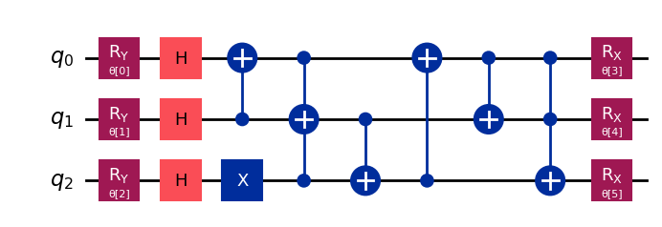
400 | [4.74827012 4.9833731 6.38312911 3.63009448 0.23975772 3.08363101] | 0.69 | 1 | 2026-06-30
500 | [4.6527112 4.97427359 6.40573176 3.64347335 0.18972601 3.23765298] | 0.688 | 1 | 2026-06-30
600 | [-1.06306664 5.92982592 5.7222786 3.44972452 1.21173812 2.09590921] | 0.634 | 1 | 2026-06-30
700 | [0.70229883 8.19413015 5.07467815 4.54644418 1.75316025 2.85770279] | 0.621 | 1 | 2026-06-30
800 | [0.0722748 6.91137346 5.01222411 3.57805042 1.83016249 1.88270213] | 0.6725 | 1 | 2026-06-30
900 | [0.0700672 6.90806589 5.01130714 3.58051355 1.82907186 1.88402358] | 0.671 | 1 | 2026-06-30
1000 | [0.31598139 6.9446092 4.92772055 3.55941587 1.92996107 1.88873646] | 0.684 | 1 | 2026-06-30
400 | [2.95375162 9.96904684 4.67670264 3.80871619 3.05665181 0.21971217] | 0.69 | 5 | 2026-06-30

